Instruction steps
Instructions to update the OECD estimates contained here, using Microsoft Query embedded in excel version 2010 onwards.

1. Use the below link to access the first query showing the historical reports of disbursements for all non HICs
https://stats.oecd.org//Index.aspx?QueryId=112087
2. Follow the steps alongside to download the queried data to your designated folder.
a) Select "Export" and then "Text file (CSV)" from the menu right below the title of the query
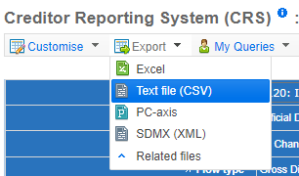
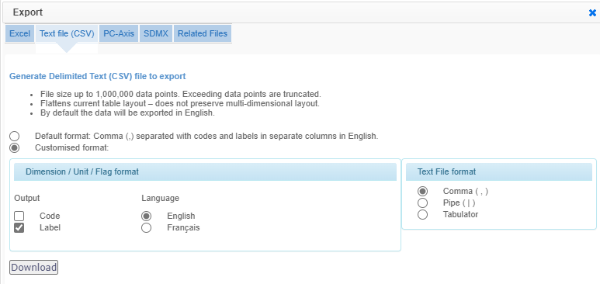

A B
b) A sub window opens (javascript enabled browsers) named "Export". Select the option to specify customised formats, and select only to output variable labels (note code). Check also that the text file format reads as comma separated (and not pipe or tab separated formats). Select the download button
3. A CSV file labelled "CRS_" folowed by the date (YYYYMMDD) and time (HHMMSSSSS) will be automatically downloaded to your computer. Store it in your designated folder
4. Load the next query to download historical reports of disbursements from 186 developing countries for all priority sectors
https://stats.oecd.org//Index.aspx?QueryId=112117
5. Download using the same steps descriped above
6. Go to the Global Fund data explorer and navigate to the table of pledges and contributions. Use the filter to select the most recent replenishment period's pledges and contributions.
https://data.theglobalfund.org/viz/pledges-contributions/table
7. Download the table as a CSV file, renaming the file to indicate the date downloaded
8. Using the query tool in the data tab, link the two respective queries and the GF contribution data to this excel worksheet and refresh the data

9. Go to the respective figure worksheets and view the specific instructions and outputs in each worksheet

Notes on OECD database
The OECD database is updated quarterly and typically at the beginning of the quarter i.e. January, April, July and October
The date of last data update is displayed on clicking the info widget next to the title of the query

Fig B7.1.1 TB disbursment trend
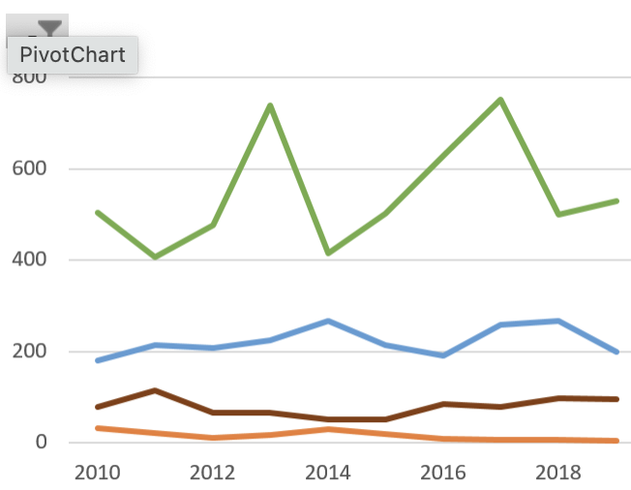
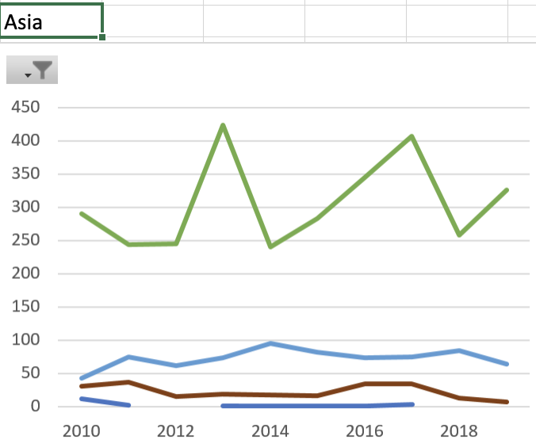
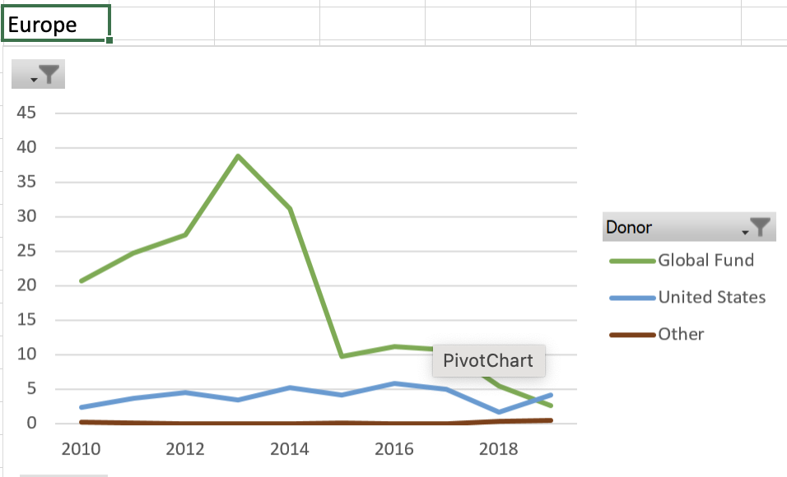
 |  |  |  |  |  |  | Global
 | Developing Countries, Total

 | Donor
Year | Global Fund | United Kingdom | United States | Other
2013 | 806.081293 | 18.880499 | 237.398477 | 72.79198
2014 | 452.541486 | 33.730024 | 283.129802 | 54.289656
2015 | 548.802949 | 22.424514 | 226.28288 | 56.660809
2016 | 688.316782 | 8.473437 | 201.669534 | 93.193105
2017 | 822.844794 | 6.204308 | 274.364588 | 85.025701
2018 | 546.543119 | 7.113092 | 282.812686 | 109.687387
2019 | 578.946784 | 5.152953 | 210.857602 | 106.769368
2020 | 654.587521 | 4.09046 | 239.246131 | 79.433647
2021 | 613.165869 | 3.205037 | 237.18778 | 119.238946

 |  |  |  | Notes for narrative drafting (IGB)

 |  |  | 2021 | 63% | 613.17 | GF
 |  |  |  |  | 972.80 | All

 |  |  | 2021 | 24% | 237.19 | US

 |  |  | 2010-2021 |  | 5712 | GF
 |  |  |  | 65% | 8791 | All

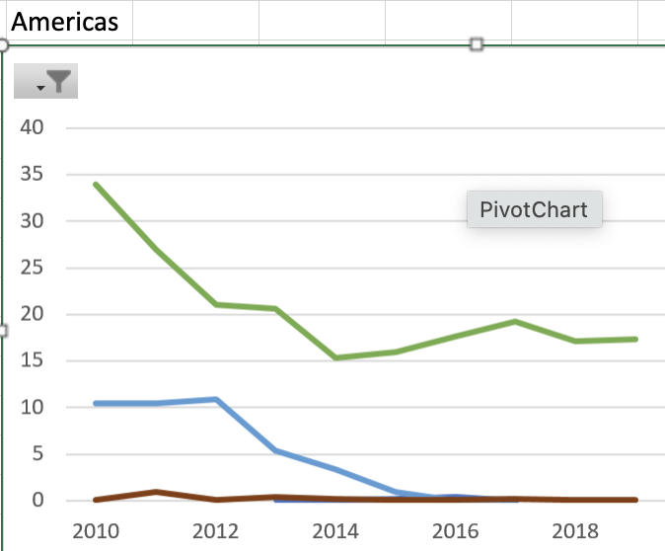
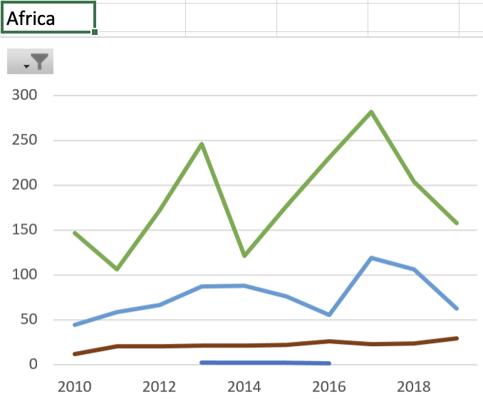
Global

Fig 7.1.3 of OECD Box
Donor | Official Donors, Total
Official Development Assistance
Sum of Value | Column Labels
Row Labels | Malaria control | STD control including HIV/AIDS | Tuberculosis control | Total Health&Pop Prog
2010 | 1790.688678 | 8393.540692 | 864.754553 | 20489.897615
2011 | 1469.645052 | 8820.698328 | 822.695342 | 20900.160842
2012 | 1906.131061 | 8607.717623 | 823.917216 | 21629.707312
2013 | 2077.256145 | 8753.198528 | 1135.152249 | 23979.702421
2014 | 2006.942298 | 7651.705952 | 823.690968 | 22553.762252
2015 | 2000.1045 | 7032.853062 | 854.171152 | 23437.094186
2016 | 2145.188632 | 7665.354066 | 991.652858 | 24286.9695
2017 | 2305.988946 | 8513.553606 | 1188.439391 | 27257.026105
2018 | 1897.692728 | 7448.1357 | 946.156284 | 24793.571617
2019 | 2383.61165 | 5281.583179 | 901.726707 | 23633.788267
2020 | 2313.336969 | 7982.451834 | 977.357759 | 31006.898111
2021 | 2454.072439 | 7632.864975 | 972.797632 | 36012.009857

 |  |  | 8,791.14

 |  |  |  |  | Notes
 |  |  |  |  | For all developing countries
 |  |  |  |  | 2022 values are provisional as at 30 Sept 2023 and are not displayed

